Summary
Sample # | Tissue | Brain | Slide # | Array # | Ct | cDNA Amp Cycle | qbit (ng/uL) | [cDNA] pg/ul | Total cDNA ng | cDNA Input | SI cycles | Ave frag length | Agilent [pg/ul] | index_name | index(i7) | index2_workflow_a(i5) | index2_workflow_b(i5) | % Coverage Array | Est Read Pairs
1 | DLPFC | Br6471_ant | V10U24-094 | A1 | 18.03 | 18 |  | failed |  |  | 14 |  |  | SI-TT-A8 | CGAAGTATAC | GAACTTGGAG | CTCCAAGTTC | 0.8 | 200000000
2 | DLPFC | Br6522_ant | V10U24-094 | B1 | 17.46 | 18 |  | failed |  |  | 14 | 397 | 24,885.00 | SI-TT-B8 | GCACTGAGAA | TATGCGTGAA | TTCACGCATA | 0.8 | 200000000
3 | DLPFC | Br8325_ant | V10U24-094 | C1 | 17.45 | 18 |  | failed |  |  | 14 | 440 | 4080 | SI-TT-C8 | GCTACAAAGC | CACGTGCCCT | AGGGCACGTG | 0.8 | 200000000
4 | DLPFC | Br8667_ant | V10U24-094 | D1 | 17.68 | 18 |  | failed |  |  | 14 | 390 | 2815 | SI-TT-D8 | CGCTGAAATC | AGGTGTCTGC | GCAGACACCT | 0.8 | 200000000
5 | DLPFC | Br6471_mid | V10B01-052 | A1 | 17.18 | 17 | 30.6 | 20175 |  | 201.75 | 15 | 385 | 5800 | SI-TT-E9 | TGTCCCAACG | TCGATGTCCA | TGGACATCGA | 0.8 | 200000000
6 | DLPFC | Br6522_mid | V10B01-052 | B1 | 16.43 | 17 | 18 | 23115 |  | 231.15 | 15 | 482 | 34185 | SI-TT-F9 | GTCCCATCAA | CGAACGTGAC | GTCACGTTCG | 0.8 | 200000000
7 | DLPFC | Br8325_mid | V10B01-052 | C1 | 17.10 | 17 | 26.8 | 35170 |  | 351.70 | 15 | 439 | 52620 | SI-TT-G9 | CCGGAGGAAG | TGCGGATGTT | AACATCCGCA | 0.8 | 200000000
8 | DLPFC | Br8667_mid | V10B01-052 | D1 | 16.51 | 17 | 59.4 | 30955 |  | 309.55 | 15 | 446 | 38065 | SI-TT-H9 | AGAACTTAGA | CGAGTCCTTT | AAAGGACTCG | 0.8 | 200000000
9 | DLPFC | Br6471_post | V10B01-053 | A1 | 17.58 | 18 | 37 | 30915 |  | 309.15 | 15 | 468 | 28620 | SI-TT-A10 | CGTGACATGC | ATGGTCTAAA | TTTAGACCAT | 0.8 | 200000000
10 | DLPFC | Br6522_post | V10B01-053 | B1 | 17.97 | 18 | 36 | 29490 |  | 294.90 | 15 | 421 | 21900 | SI-TT-B10 | GCCCGATGGA | AATCGTCTAG | CTAGACGATT | 0.8 | 200000000
11 | DLPFC | Br8325_post | V10B01-053 | C1 | 19.09 | 19 | 29.6 | 27395 |  | 273.95 | 15 | 431 | 14495 | SI-TT-C10 | AGAATGGTTT | GAGGGTGGGA | TCCCACCCTC | 0.8 | 200000000
12 | DLPFC | Br8667_post | V10B01-053 | D1 | 19.48 | 19 | 71 | 51825 |  | 518.25 | 13 | 402 | 19475 | SI-TT-D10 | ATGCGAATGG | ACAAGTGTCG | CGACACTTGT | 0.8 | 200000000
 |  |  |  |  |  |  |  |  |  |  |  |  |  |  |  |  |  |  | 2400000000 | 2.4 billion

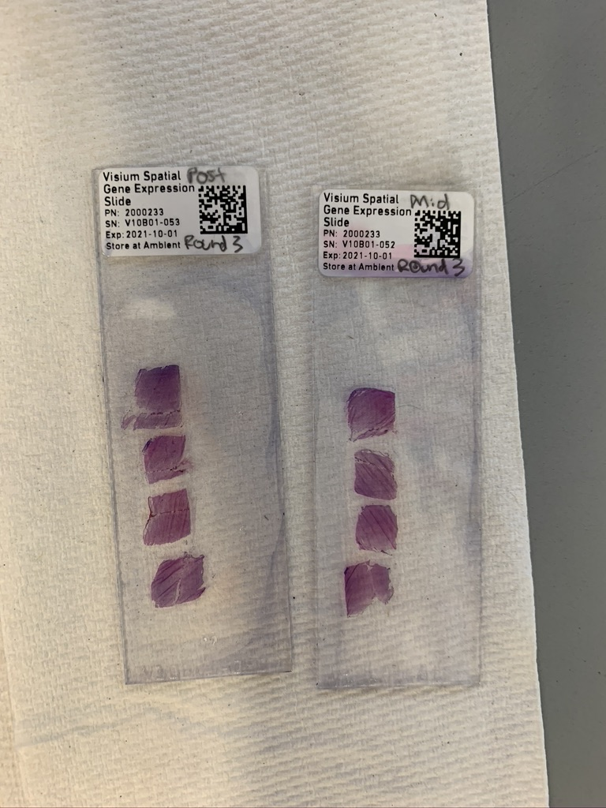

Sample | 1 |  |  |  | 2 |  |  |  | 3 |  |  | 4

 |  |  |  |  |  |  |  |  |  |  |  |  |  |  | mid

 | 5 |  |  |  |  | 6 |  |  |  | 7 |  |  | 8

 |  |  |  |  |  |  |  |  |  |  |  |  |  |  | post

 |  | 9 |  |  |  | 10 |  |  |  | 11 |  |  | 12

qPCR
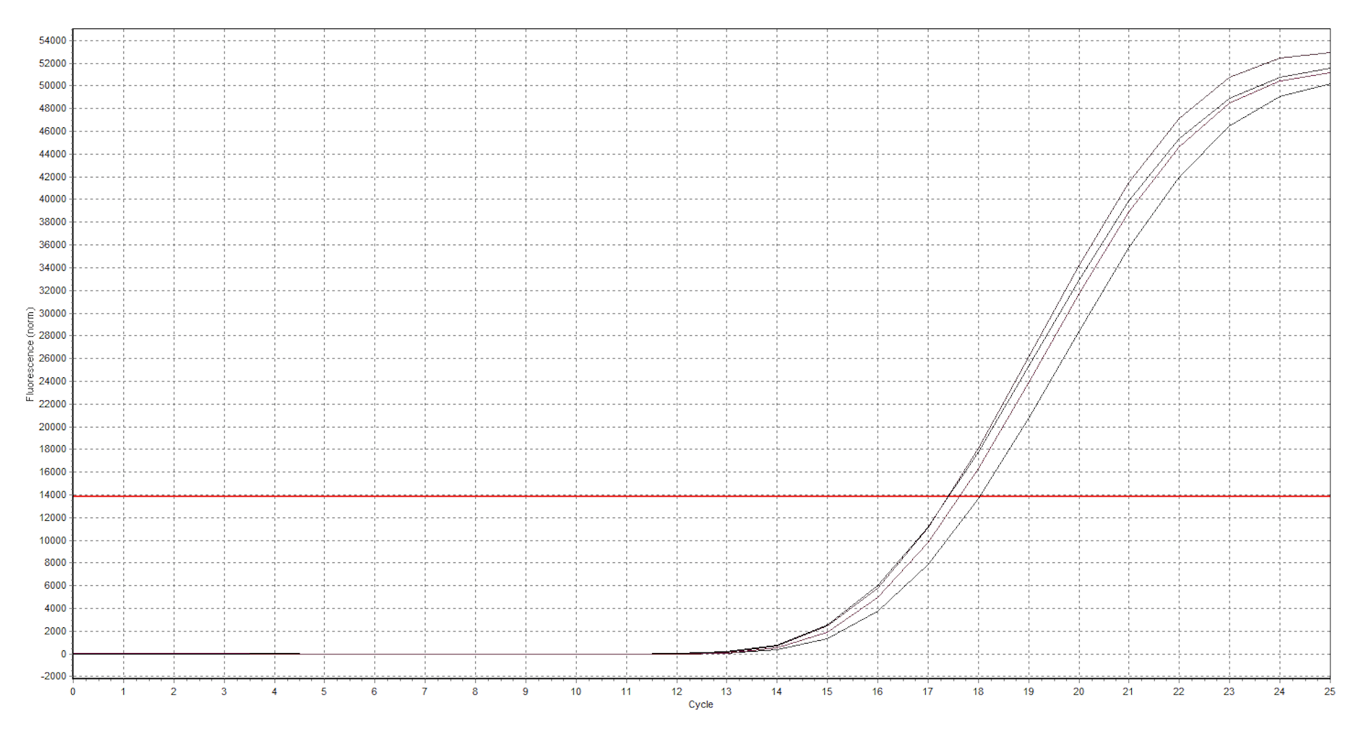
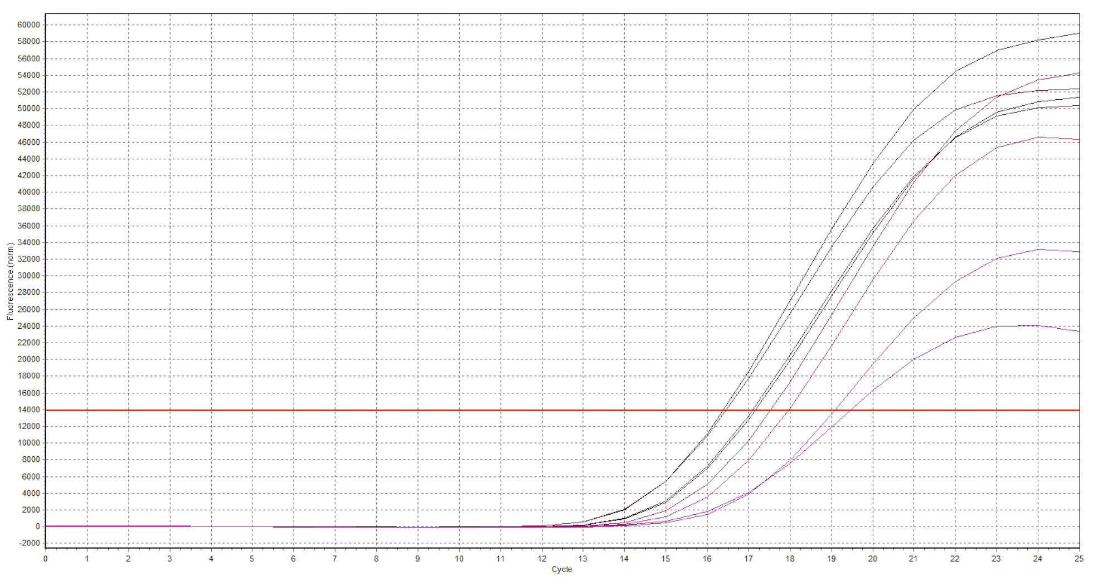
Pos | Name | Ct FAM
A1
A2
A3
A4
A5

cDNA Agilent
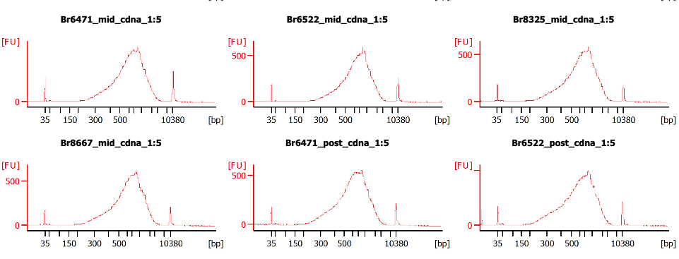
Sample # | Tissue | Brain | Slide # | Array # | Ct | cDNA Amp Cycle | [cDNA] pg/ul | Total cDNA ng
1 | DLPFC
2 | DLPFC
3 | DLPFC
4 | DLPFC
1 | DLPFC
2 | DLPFC
3 | DLPFC
4 | DLPFC
5 | DLPFC
6 | DLPFC
7 | DLPFC
8 | DLPFC

Lib Agilent
